Emissions Calcs 327 Cons Cover
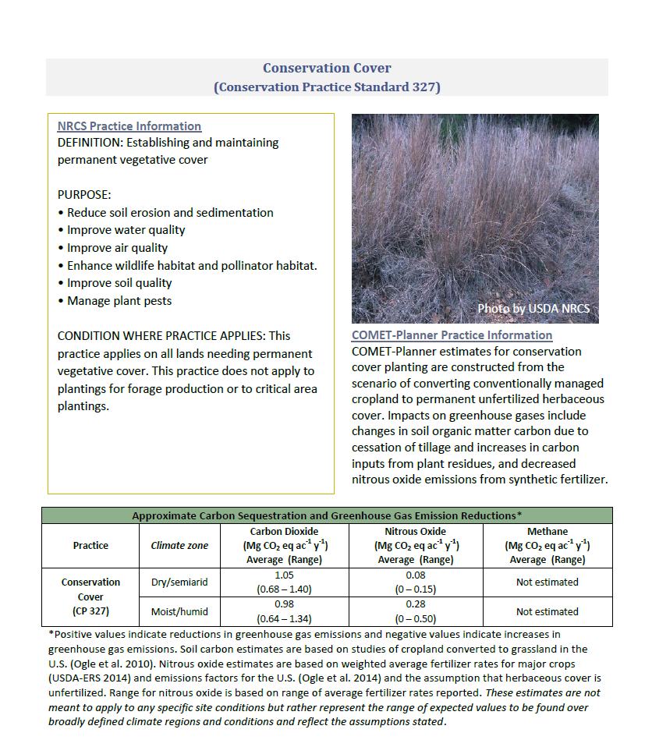
 |  |  |  |  | Updated REAP Data
Applied Year | Prac Amount | practice_units | Emission Reduction TCO2e/ac | TCO2e/yr Reduced by This NRCS Practice | Prac Amount | Payment
1997 | 0.00 | ac | 0.32 | 0
1998 | 0.00 | ac | 0.32 | 0
1999 | 0.00 | ac | 0.32 | 0
2000 | 0.00 | ac | 0.32 | 0
2001 | 0.00 | ac | 0.32 | 0
2002 | 0.00 | ac | 0.32 | 0
2003 | 0.00 | ac | 0.32 | 0
2004 | 0.00 | ac | 0.32 | 0 | 0
2005 | 254.70 | ac | 0.32 | 82 | 255
2006 | 179.20 | ac | 0.32 | 58 | 179
2007 | 0.00 | ac | 0.32 | 0 | 0
2008 | 96.60 | ac | 0.32 | 31 | 97
2009 | 0.00 | ac | 0.32 | 0 | 0
2010 | 108.40 | ac | 0.32 | 35 | 108
2011 | 35711.40 | ac | 0.32 | 11492 | 35711
2012 | 73012.00 | ac | 0.32 | 23495 | 73012
2013 | 69295.90 | ac | 0.32 | 22299 | 69296
2014 | 9685.70 | ac | 0.32 | 3117 | 9686
2015 | 9586.80 | ac | 0.32 | 3085 | 9587
2016 | 13502.90 | ac | 0.32 | 4345 | 13503
2017 | 11212.00 | ac | 0.32 | 3608 | 11212
2018 | 23170.90 | ac | 0.32 | 7456 | 23171
 | 188343.90
Year | Annual Emissions Reduction (tonnes) | Emissions Reduction plus 50% Conservation Legacy Effect (tonnes) | Emissions Reduction plus 75% Conservation Legacy Effect (tonnes) | Emissions Reduction plus 100% Conservation Legacy Effect (tonnes)
1997 | 0
1998 | 0
1999 | 0
2000 | 0 | 0 | 0 | 0
2001 | 0 | 0 | 0 | 0
2002 | 0 | 0 | 0 | 0
2003 | 0 | 0 | 0 | 0
2004 | 0 | 0 | 0 | 0
2005 | 82 | 82 | 82 | 82
2006 | 58 | 58 | 58 | 58
2007 | 0 | 0 | 0 | 0
2008 | 31 | 72 | 93 | 113
2009 | 0 | 70 | 105 | 140
2010 | 35 | 105 | 140 | 175
2011 | 11492 | 11577 | 11620 | 11663
2012 | 23495 | 23581 | 23623 | 23666
2013 | 22299 | 22402 | 22454 | 22505
2014 | 3117 | 8966 | 11890 | 14814
2015 | 3085 | 20681 | 29480 | 38278
2016 | 4345 | 33091 | 47464 | 61837
2017 | 3608 | 33913 | 49065 | 64217
2018 | 7456 | 39303 | 55227 | 71150

Emissions Calcs 328 ConsCropRot
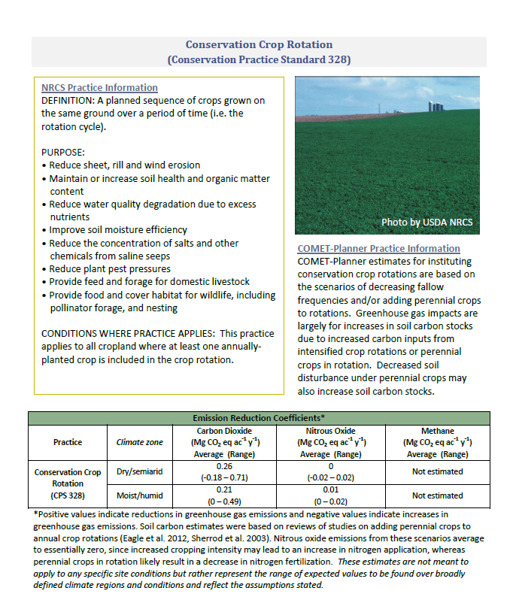
 |  |  |  |  | Updated REAP Data
Applied Year | Prac Amount | practice_units | Emission Reduction TCO2e/ac | TCO2e/yr Reduced by This NRCS Practice | Prac Amount | Payment
1997 | 0.00 | ac | 0.26 | 0
1998 | 0.00 | ac | 0.26 | 0
1999 | 0.00 | ac | 0.26 | 0
2000 | 0.00 | ac | 0.26 | 0
2001 | 0.00 | ac | 0.26 | 0
2002 | 0.00 | ac | 0.26 | 0
2003 | 0.00 | ac | 0.26 | 0
2004 | 22929.60 | ac | 0.26 | 5891 | 22929.6
2005 | 66708.90 | ac | 0.26 | 17138 | 66708.9
2006 | 22530.90 | ac | 0.26 | 5788 | 22530.9
2007 | 45296.30 | ac | 0.26 | 11637 | 45296.3
2008 | 45342.65 | ac | 0.26 | 11649 | 45342.65
2009 | 22149.75 | ac | 0.26 | 5690 | 22149.75
2010 | 13336.65 | ac | 0.26 | 3426 | 13336.65
2011 | 225729.20 | ac | 0.26 | 57990 | 225729.2
2012 | 341952.20 | ac | 0.26 | 87848 | 341952.2
2013 | 242791.40 | ac | 0.26 | 62373 | 242791.4
2014 | 184423.40 | ac | 0.26 | 47378 | 184423.4
2015 | 125803.00 | ac | 0.26 | 32319 | 125803
2016 | 330495.10 | ac | 0.26 | 84904 | 330495.1
2017 | 159175.80 | ac | 0.26 | 40892 | 159175.8
2018 | 150909.90 | ac | 0.26 | 38769 | 150909.9
 | 1233190.95
Year | Annual Emissions Reduction (tonnes) | Emissions Reduction plus 50% Conservation Legacy Effect (tonnes) | Emissions Reduction plus 75% Conservation Legacy Effect (tonnes) | Emissions Reduction plus 100% Conservation Legacy Effect (tonnes)
1997 | 0
1998 | 0
1999 | 0
2000 | 0
2001 | 0 | 0 | 0 | 0
2002 | 0 | 0 | 0 | 0
2003 | 0 | 0 | 0 | 0
2004 | 5891 | 5891 | 5891 | 5891
2005 | 17138 | 17138 | 17138 | 17138
2006 | 5788 | 5788 | 5788 | 5788
2007 | 11637 | 14582 | 16055 | 17527
2008 | 11649 | 23163 | 28920 | 34677
2009 | 5690 | 20098 | 27303 | 34507
2010 | 3426 | 23653 | 33766 | 43879
2011 | 57990 | 84041 | 97066 | 110091
2012 | 87848 | 116743 | 131191 | 145639
2013 | 62373 | 92982 | 108287 | 123591
2014 | 47378 | 106982 | 136784 | 166586
2015 | 32319 | 135846 | 187610 | 239374
2016 | 84904 | 219618 | 286975 | 354333
2017 | 40892 | 199296 | 278497 | 357699
2018 | 38769 | 213332 | 300613 | 387894

EmissionCalcs 329 No-till

 |  |  |  |  | Updated REAP Data
Applied Year | Prac Amount | practice_units | Emission Reduction TCO2e/ac | TCO2e/yr Reduced by This NRCS Practice
1997 |  | ac | 0.20 | 0
1998 |  | ac | 0.20 | 0
1999 |  | ac | 0.20 | 0
2000 |  | ac | 0.20 | 0
2001 |  | ac | 0.20 | 0
2002 |  | ac | 0.20 | 0
2003 |  | ac | 0.20 | 0 | Prac Amount
2004 | 0 | ac | 0.20 | 0 | 0
2005 | 0 | ac | 0.20 | 0 | 0
2006 | 9931.5 | ac | 0.20 | 1972 | 9931.5
2007 | 17700.2 | ac | 0.20 | 3515 | 17700.2
2008 | 42004.8 | ac | 0.20 | 8342 | 42004.8
2009 | 21618 | ac | 0.20 | 4293 | 21618
2010 | 41226.5 | ac | 0.20 | 8188 | 41226.5
2011 | 105023.6 | ac | 0.20 | 20858 | 105023.6
2012 | 132301.8 | ac | 0.20 | 26275 | 132301.8
2013 | 75108.1 | ac | 0.20 | 14916 | 75108.1
2014 | 92768.9 | ac | 0.20 | 18424 | 92768.9
2015 | 64659.4 | ac | 0.20 | 12841 | 64659.4
2016 | 116699.9 | ac | 0.20 | 23177 | 116699.9
2017 | 33838.7 | ac | 0.20 | 6720 | 33838.7
2018 | 48261.7 | ac | 0.20 | 9585 | 48261.7
 | 537683.4
Year | Annual Emissions Reduction (tonnes) | Emissions Reduction plus 50% Conservation Legacy Effect (tonnes) | Emissions Reduction plus 75% Conservation Legacy Effect (tonnes) | Emissions Reduction plus 100% Conservation Legacy Effect (tonnes)
1997 | 0
1998 | 0
1999 | 0
2000 | 0 | 0 | 0 | 0
2001 | 0 | 0 | 0 | 0
2002 | 0 | 0 | 0 | 0
2003 | 0 | 0 | 0 | 0
2004 | 0 | 0 | 0 | 0
2005 | 0 | 0 | 0 | 0
2006 | 1972 | 1972 | 1972 | 1972
2007 | 3515 | 3515 | 3515 | 3515
2008 | 8342 | 8342 | 8342 | 8342
2009 | 4293 | 5280 | 5773 | 6266
2010 | 8188 | 10931 | 12303 | 13675
2011 | 20858 | 27773 | 31230 | 34687
2012 | 26275 | 35337 | 39867 | 44398
2013 | 14916 | 28072 | 34650 | 41227
2014 | 18424 | 42008 | 53800 | 65592
2015 | 12841 | 49563 | 67924 | 86285
2016 | 23177 | 67357 | 89447 | 111537
2017 | 6720 | 60112 | 86808 | 113504
2018 | 9585 | 69397 | 99304 | 129210

EmissionCalcs 329B Mulch Till
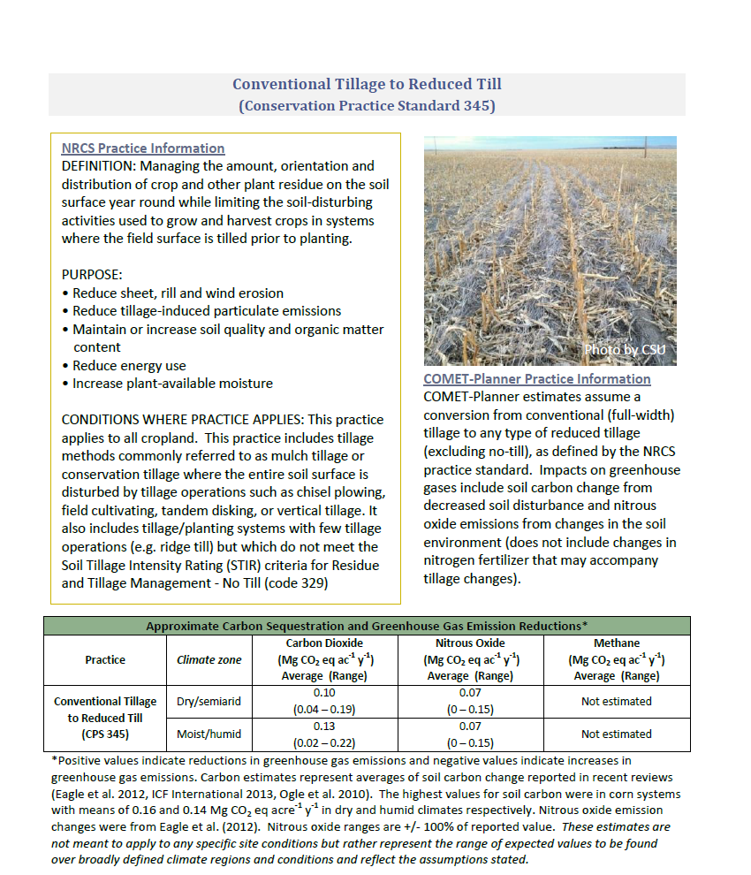
 |  |  |  |  | Updated REAP Data
Applied Year | Prac Amount | practice_units | Emission Reduction TCO2e/ac | TCO2e/yr Reduced by This NRCS Practice | Prac Amount
1997 | 0.00 | ac | 0.12 | 0
1998 | 0.00 | ac | 0.12 | 0
1999 | 0.00 | ac | 0.12 | 0
2000 | 0.00 | ac | 0.12 | 0
2001 | 0.00 | ac | 0.12 | 0
2002 | 0.00 | ac | 0.12 | 0
2003 | 0.00 | ac | 0.12 | 0
2004 | 13606.30 | ac | 0.12 | 1646 | 13606.3
2005 | 32377.20 | ac | 0.12 | 3918 | 32377.2
2006 | 36897.70 | ac | 0.12 | 4465 | 36897.7
2007 | 16220.00 | ac | 0.12 | 1963 | 16220
2008 | 5884.50 | ac | 0.12 | 712 | 5884.5
2009 | 929.30 | ac | 0.12 | 112 | 929.3
2010 | 0.00 | ac | 0.12 | 0 | 0
2011 | 419.20 | ac | 0.12 | 51 | 419.2
2012 | 1919.00 | ac | 0.12 | 232 | 1919
2013 | 2498.00 | ac | 0.12 | 302 | 2498
2014 | 323.00 | ac | 0.12 | 39 | 323
2015 | 0.00 | ac | 0.12 | 0 | 0
2016 | 14629.00 | ac | 0.12 | 1770 | 14629
2017 | 462.00 | ac | 0.12 | 56 | 462
2018 | 860.00 | ac | 0.12 | 104 | 860
 | 111074.20
Year | Annual Emissions Reduction (tonnes) | Emissions Reduction plus 50% Conservation Legacy Effect (tonnes) | Emissions Reduction plus 75% Conservation Legacy Effect (tonnes) | Emissions Reduction plus 100% Conservation Legacy Effect (tonnes)
1997 | 0
1998 | 0
1999 | 0
2000 | 0 | 0 | 0 | 0
2001 | 0 | 0 | 0 | 0
2002 | 0 | 0 | 0 | 0
2003 | 0 | 0 | 0 | 0
2004 | 1646 | 1646 | 1646 | 1646
2005 | 3918 | 3918 | 3918 | 3918
2006 | 4465 | 4465 | 4465 | 4465
2007 | 1963 | 2786 | 3197 | 3609
2008 | 712 | 3494 | 4885 | 6276
2009 | 112 | 5127 | 7634 | 10141
2010 | 0 | 5996 | 8993 | 11991
2011 | 51 | 6402 | 9578 | 12754
2012 | 232 | 6640 | 9844 | 13048
2013 | 302 | 6710 | 9914 | 13118
2014 | 39 | 6472 | 9689 | 12906
2015 | 0 | 6549 | 9824 | 13099
2016 | 1770 | 8471 | 11821 | 15171
2017 | 56 | 6776 | 10136 | 13496
2018 | 104 | 6824 | 10184 | 13544

Emission Calcs 332 Ctr Bufr Str
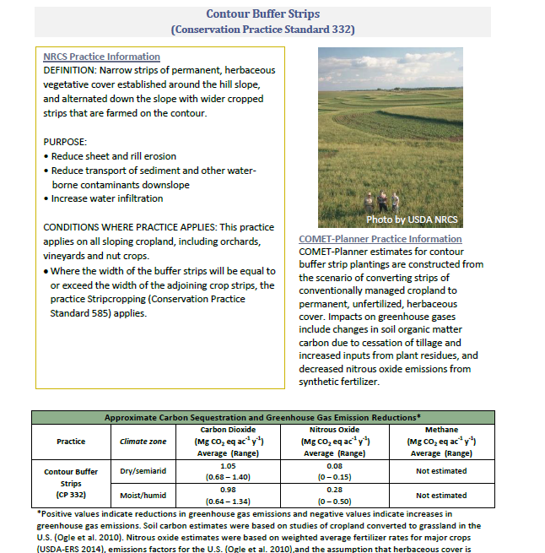
 |  |  |  |  | Updated REAP Data
Applied Year | Prac Amount | practice_units | Emission Reduction TCO2e/ac | TCO2e/yr Reduced by This NRCS Practice
1997 | 0.00 | ac | 0.07 | 0
1998 | 0.00 | ac | 0.07 | 0
1999 | 0.00 | ac | 0.07 | 0
2000 | 0.00 | ac | 0.07 | 0 | Prac Amount
2001 | 0.00 | ac | 0.07 | 0
2002 | 0.00 | ac | 0.07 | 0
2003 | 0.00 | ac | 0.07 | 0
2004 | 0.00 | ac | 0.07 | 0 | 0
2005 | 0.00 | ac | 0.07 | 0 | 0
2006 | 0.00 | ac | 0.07 | 0 | 0
2007 | 0.00 | ac | 0.07 | 0 | 0
2008 | 0.00 | ac | 0.07 | 0 | 0
2009 | 0.00 | ac | 0.07 | 0 | 0
2010 | 0.00 | ac | 0.07 | 0 | 0
2011 | 0.00 | ac | 0.07 | 0 | 0
2012 | 0.00 | ac | 0.07 | 0 | 0
2013 | 0.00 | ac | 0.07 | 0 | 0
2014 | 0.00 | ac | 0.07 | 0 | 0
2015 | 0.00 | ac | 0.07 | 0 | 0
2016 | 0.00 | ac | 0.07 | 0 | 0
2017 | 0.00 | ac | 0.07 | 0 | 0
2018 | 0.00 | ac | 0.07 | 0 | 0
 | 0.00
Year | Annual Emissions Reduction (tonnes) | Emissions Reduction plus 50% Conservation Legacy Effect (tonnes) | Emissions Reduction plus 75% Conservation Legacy Effect (tonnes) | Emissions Reduction plus 100% Conservation Legacy Effect (tonnes)
1997 | 0
1998 | 0
1999 | 0
2000 | 0 | 0 | 0
2001 | 0 | 0 | 0 | 0
2002 | 0 | 0 | 0 | 0
2003 | 0 | 0 | 0 | 0
2004 | 0 | 0 | 0 | 0
2005 | 0 | 0 | 0 | 0
2006 | 0 | 0 | 0 | 0
2007 | 0 | 0 | 0 | 0
2008 | 0 | 0 | 0 | 0
2009 | 0 | 0 | 0 | 0
2010 | 0 | 0 | 0 | 0
2011 | 0 | 0 | 0 | 0
2012 | 0 | 0 | 0 | 0
2013 | 0 | 0 | 0 | 0
2014 | 0 | 0 | 0 | 0
2015 | 0 | 0 | 0 | 0
2016 | 0 | 0 | 0 | 0
2017 | 0 | 0 | 0 | 0
2018 | 0 | 0 | 0 | 0

Emissions Calcs 340 Cover Crop
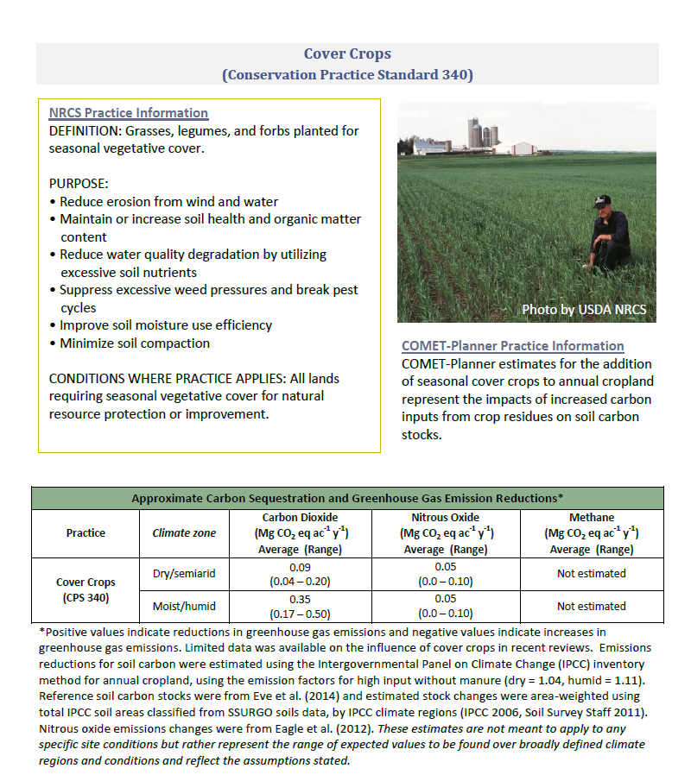
 |  |  |  |  | Updated REAP Data
Applied Year | Prac Amount | practice_units | Emission Reduction TCO2e/ac | TCO2e/yr Reduced by This NRCS Practice | Prac Amount
1997 | 0.00 | ac | 0.06 | 0
1998 | 0.00 | ac | 0.06 | 0
1999 | 0.00 | ac | 0.06 | 0
2000 | 0.00 | ac | 0.06 | 0
2001 | 0.00 | ac | 0.06 | 0
2002 | 0.00 | ac | 0.06 | 0
2003 | 0.00 | ac | 0.06 | 0
2004 | 174.50 | ac | 0.06 | 10 | 174.5
2005 | 703.80 | ac | 0.06 | 40 | 703.8
2006 | 16606.40 | ac | 0.06 | 955 | 16606.4
2007 | 2724.10 | ac | 0.06 | 157 | 2724.1
2008 | 1111.45 | ac | 0.06 | 64 | 1111.45
2009 | 303.20 | ac | 0.06 | 17 | 303.2
2010 | 1042.20 | ac | 0.06 | 60 | 1042.2
2011 | 8176.60 | ac | 0.06 | 470 | 8176.6
2012 | 10236.20 | ac | 0.06 | 589 | 10236.2
2013 | 6634.04 | ac | 0.06 | 381 | 6634.04
2014 | 9626.90 | ac | 0.06 | 554 | 9626.9
2015 | 9554.40 | ac | 0.06 | 549 | 9554.4
2016 | 16499.80 | ac | 0.06 | 949 | 16499.8
2017 | 12339.40 | ac | 0.06 | 710 | 12339.4
2018 | 7714.80 | ac | 0.06 | 444 | 7714.8
 | 57339.39
Year | Annual Emissions Reduction (tonnes) | Emissions Reduction plus 10% Conservation Legacy Effect (tonnes) | Emissions Reduction plus 75% Conservation Legacy Effect (tonnes) | Emissions Reduction plus 100% Conservation Legacy Effect (tonnes)
1997 | 0
1998 | 0
1999 | 0
2000 | 0
2001 | 0 | 0 | 0 | 0
2002 | 0 | 0 | 0 | 0
2003 | 0 | 0 | 0 | 0
2004 | 10 | 10 | 10 | 10
2005 | 40 | 40 | 40 | 40
2006 | 955 | 955 | 955 | 955
2007 | 157 | 158 | 164 | 167
2008 | 64 | 69 | 102 | 114
2009 | 17 | 118 | 771 | 1023
2010 | 60 | 176 | 931 | 1222
2011 | 470 | 593 | 1390 | 1696
2012 | 589 | 713 | 1521 | 1832
2013 | 381 | 512 | 1359 | 1685
2014 | 554 | 731 | 1884 | 2327
2015 | 549 | 786 | 2321 | 2911
2016 | 949 | 1223 | 3006 | 3692
2017 | 710 | 1039 | 3182 | 4007
2018 | 444 | 828 | 3328 | 4290

Emission Calcs 386 Field Border
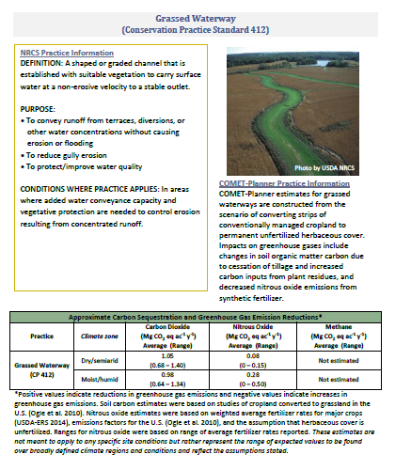
 |  |  |  |  | Updated REAP Data
Applied Year | Prac Amount | practice_units | Emission Reduction TCO2e/ac | TCO2e/yr Reduced by This NRCS Practice
1997 |  | ac | 0.29 | 0
1998 |  | ac | 0.29 | 0
1999 |  | ac | 0.29 | 0
2000 |  | ac | 0.29 | 0
2001 |  | ac | 0.29 | 0
2002 |  | ac | 0.29 | 0
2003 |  | ac | 0.29 | 0 | Prac Amount
2004 | 0.00 | ac | 0.29 | 0 | 0
2005 | 0.00 | ac | 0.29 | 0 | 2.2
2006 | 0.03 | ac | 0.29 | 0 | 37.1
2007 | 0.01 | ac | 0.29 | 0 | 10.2
2008 | 0.00 | ac | 0.29 | 0 | 0
2009 | 0.00 | ac | 0.29 | 0 | 0.4
2010 | 0.01 | ac | 0.29 | 0 | 7.8
2011 | 7.00 | ac | 0.29 | 2 | 10167.7
2012 | 15.57 | ac | 0.29 | 5 | 22608.3
2013 | 0.21 | ac | 0.29 | 0 | 312
2014 | 72.00 | ac | 0.29 | 21 | 72
2015 | 4.00 | ac | 0.29 | 1 | 4
2016 | 0.00 | ac | 0.29 | 0 | 0
2017 | 3.70 | ac | 0.29 | 1 | 3.7
2018 | 0.00 | ac | 0.29 | 0 | 0
 | 94.83
Year | Annual Emissions Reduction (tonnes) | Emissions Reduction plus 50% Conservation Legacy Effect (tonnes) | Emissions Reduction plus 75% Conservation Legacy Effect (tonnes) | Emissions Reduction plus 100% Conservation Legacy Effect (tonnes)
1997 | 0
1998 | 0
1999 | 0
2000 | 0 | 0 | 0 | 0
2001 | 0 | 0 | 0 | 0
2002 | 0 | 0 | 0 | 0
2003 | 0 | 0 | 0 | 0
2004 | 0 | 0 | 0 | 0
2005 | 0 | 0 | 0 | 0
2006 | 0 | 0 | 0 | 0
2007 | 0 | 0 | 0 | 0
2008 | 0 | 0 | 0 | 0
2009 | 0 | 0 | 0 | 0
2010 | 0 | 0 | 0 | 0
2011 | 2 | 2 | 2 | 2
2012 | 5 | 5 | 5 | 5
2013 | 0 | 0 | 0 | 0
2014 | 21 | 22 | 23 | 23
2015 | 1 | 4 | 6 | 8
2016 | 0 | 3 | 5 | 7
2017 | 1 | 15 | 22 | 29
2018 | 0 | 15 | 22 | 29

Emission Calcs 393 Filter Strip
 |  |  |  |  | Updated REAP Data
Applied Year | Prac Amount | practice_units | Emission Reduction TCO2e/ac | TCO2e/yr Reduced by This NRCS Practice
1997 |  | ac | 0.36 | 0
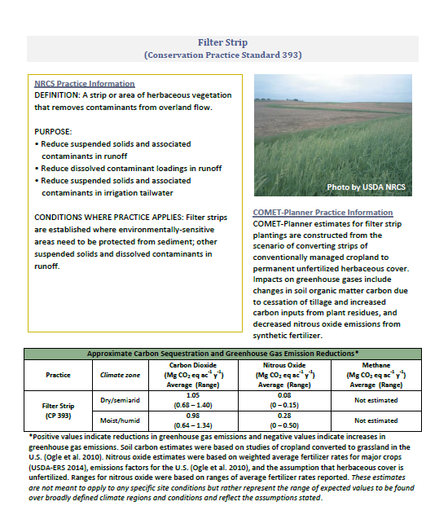
1998 |  | ac | 0.36 | 0
1999 |  | ac | 0.36 | 0
2000 |  | ac | 0.36 | 0
2001 |  | ac | 0.36 | 0
2002 |  | ac | 0.36 | 0
2003 |  | ac | 0.36 | 0 | Prac Amount
2004 | 0.00 | ac | 0.36 | 0 | 0
2005 | 1.00 | ac | 0.36 | 0 | 1
2006 | 17.00 | ac | 0.36 | 6 | 17
2007 | 30.50 | ac | 0.36 | 11 | 30.5
2008 | 14.00 | ac | 0.36 | 5 | 14
2009 | 67.40 | ac | 0.36 | 24 | 67.4
2010 | 4.20 | ac | 0.36 | 2 | 4.2
2011 | 324.90 | ac | 0.36 | 117 | 324.9
2012 | 0.00 | ac | 0.36 | 0 | 0
2013 | 1.00 | ac | 0.36 | 0 | 1
2014 | 6.30 | ac | 0.36 | 2 | 6.3
2015 | 0.00 | ac | 0.36 | 0 | 0
2016 | 0.00 | ac | 0.36 | 0 | 0
2017 | 0.00 | ac | 0.36 | 0 | 0
2018 | 0.00 | ac | 0.36 | 0 | 0
 | 466.30
Year | Annual Emissions Reduction (tonnes) | Emissions Reduction plus 50% Conservation Legacy Effect (tonnes) | Emissions Reduction plus 75% Conservation Legacy Effect (tonnes) | Emissions Reduction plus 100% Conservation Legacy Effect (tonnes)
1997 | 0
1998 | 0
1999 | 0
2000 | 0 | 0 | 0 | 0
2001 | 0 | 0 | 0 | 0
2002 | 0 | 0 | 0 | 0
2003 | 0 | 0 | 0 | 0
2004 | 0 | 0 | 0 | 0
2005 | 0 | 0 | 0 | 0
2006 | 6 | 6 | 6 | 6
2007 | 11 | 11 | 11 | 11
2008 | 5 | 5 | 5 | 5
2009 | 24 | 27 | 29 | 31
2010 | 2 | 10 | 15 | 19
2011 | 117 | 128 | 134 | 139
2012 | 0 | 23 | 35 | 47
2013 | 0 | 24 | 37 | 49
2014 | 2 | 85 | 126 | 167
2015 | 0 | 83 | 124 | 165
2016 | 0 | 83 | 124 | 165
2017 | 0 | 84 | 126 | 168
2018 | 0 | 84 | 126 | 168

EmissionCalcs 585 Strip Croppin
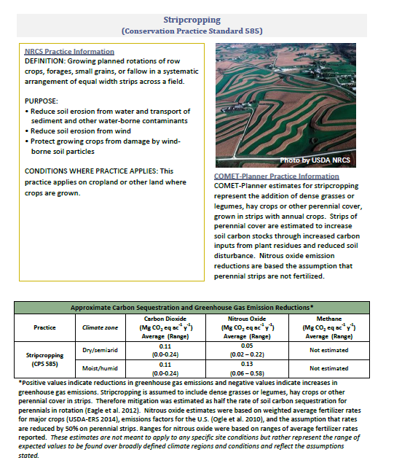
 |  |  |  |  | Updated REAP Data
Applied Year | Prac Amount | practice_units | Emission Reduction TCO2e/ac | TCO2e/yr Reduced by This NRCS Practice | Prac Amount
1997 | 0.00 | ac | 0.15 | 0
1998 | 0.00 | ac | 0.15 | 0
1999 | 0.00 | ac | 0.15 | 0
2000 | 0.00 | ac | 0.15 | 0
2001 | 0.00 | ac | 0.15 | 0
2002 | 0.00 | ac | 0.15 | 0
2003 | 0.00 | ac | 0.15 | 0
2004 | 0.00 | ac | 0.15 | 0 | 0
2005 | 590.90 | ac | 0.15 | 91 | 590.9
2006 | 323.10 | ac | 0.15 | 50 | 323.1
2007 | 475.00 | ac | 0.15 | 73 | 475
2008 | 1908.80 | ac | 0.15 | 294 | 1908.8
2009 | 0.00 | ac | 0.15 | 0 | 0
2010 | 1946.40 | ac | 0.15 | 299 | 1946.4
2011 | 6075.10 | ac | 0.15 | 934 | 6075.1
2012 | 1843.00 | ac | 0.15 | 283 | 1843
2013 | 3048.00 | ac | 0.15 | 469 | 3048
2014 | 210.80 | ac | 0.15 | 32 | 210.8
2015 | 2086.00 | ac | 0.15 | 321 | 2086
2016 | 0.00 | ac | 0.15 | 0 | 0
2017 | 812.00 | ac | 0.15 | 125 | 812
2018 | 0.00 | ac | 0.15 | 0 | 0
 | 16421.10
Year | Annual Emissions Reduction (tonnes) | Emissions Reduction plus 50% Conservation Legacy Effect (tonnes) | Emissions Reduction plus 75% Conservation Legacy Effect (tonnes) | Emissions Reduction plus 100% Conservation Legacy Effect (tonnes)
1997 | 0
1998 | 0
1999 | 0
2000 | 0 | 0 | 0 | 0
2001 | 0 | 0 | 0 | 0
2002 | 0 | 0 | 0 | 0
2003 | 0 | 0 | 0 | 0
2004 | 0 | 0 | 0 | 0
2005 | 91 | 91 | 91 | 91
2006 | 50 | 50 | 50 | 50
2007 | 73 | 73 | 73 | 73
2008 | 294 | 339 | 362 | 384
2009 | 0 | 70 | 105 | 141
2010 | 299 | 406 | 460 | 513
2011 | 934 | 1188 | 1315 | 1442
2012 | 283 | 537 | 664 | 791
2013 | 469 | 872 | 1074 | 1275
2014 | 32 | 903 | 1338 | 1773
2015 | 321 | 1333 | 1839 | 2345
2016 | 0 | 1247 | 1870 | 2493
2017 | 125 | 1388 | 2019 | 2650
2018 | 0 | 1423 | 2135 | 2846

Emission Calcs 601 Veg. Barrier
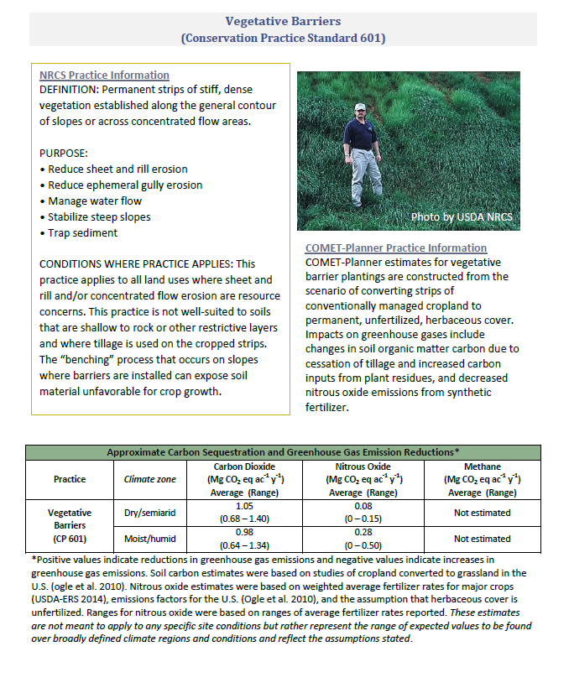
 |  |  |  |  | Updated REAP Data
Applied Year | Prac Amount | practice_units | Emission Reduction TCO2e/ac | TCO2e/yr Reduced by This NRCS Practice
1997 |  | ac | 0.32 | 0
1998 |  | ac | 0.32 | 0
1999 |  | ac | 0.32 | 0
2000 |  | ac | 0.32 | 0
2001 |  | ac | 0.32 | 0
2002 |  | ac | 0.32 | 0
2003 |  | ac | 0.32 | 0 | Prac Amount
2004 | 0.00 | ac | 0.32 | 0 | 0
2005 | 0.00 | ac | 0.32 | 0 | 0
2006 | 0.00 | ac | 0.32 | 0 | 0
2007 | 0.00 | ac | 0.32 | 0 | 0
2008 | 0.00 | ac | 0.32 | 0 | 0
2009 | 0.00 | ac | 0.32 | 0 | 0
2010 | 0.00 | ac | 0.32 | 0 | 0
2011 | 0.00 | ac | 0.32 | 0 | 0
2012 | 0.00 | ac | 0.32 | 0 | 0
2013 | 0.00 | ac | 0.32 | 0 | 0
2014 | 0.00 | ac | 0.32 | 0 | 0
2015 | 0.00 | ac | 0.32 | 0 | 0
2016 | 0.00 | ac | 0.32 | 0 | 0
2017 | 0.00 | ac | 0.32 | 0 | 0
2018 | 0.00 | ac | 0.32 | 0 | 0
 | 0.00
Year | Annual Emissions Reduction (tonnes) | Emissions Reduction plus 50% Conservation Legacy Effect (tonnes) | Emissions Reduction plus 75% Conservation Legacy Effect (tonnes) | Emissions Reduction plus 100% Conservation Legacy Effect (tonnes)
1997 | 0
1998 | 0
1999 | 0
2000 | 0 | 0 | 0 | 0
2001 | 0 | 0 | 0 | 0
2002 | 0 | 0 | 0 | 0
2003 | 0 | 0 | 0 | 0
2004 | 0 | 0 | 0 | 0
2005 | 0 | 0 | 0 | 0
2006 | 0 | 0 | 0 | 0
2007 | 0 | 0 | 0 | 0
2008 | 0 | 0 | 0 | 0
2009 | 0 | 0 | 0 | 0
2010 | 0 | 0 | 0 | 0
2011 | 0 | 0 | 0 | 0
2012 | 0 | 0 | 0 | 0
2013 | 0 | 0 | 0 | 0
2014 | 0 | 0 | 0 | 0
2015 | 0 | 0 | 0 | 0
2016 | 0 | 0 | 0 | 0
2017 | 0 | 0 | 0 | 0
2018 | 0 | 0 | 0 | 0

Emission Calcs 603 Herb Wnd Bar
 |  |  |  |  | Updated REAP Data
Applied Year | Prac Amount | practice_units | Emission Reduction TCO2e/ac | TCO2e/yr Reduced by This NRCS Practice
1997 |  | ac | 0.32 | 0
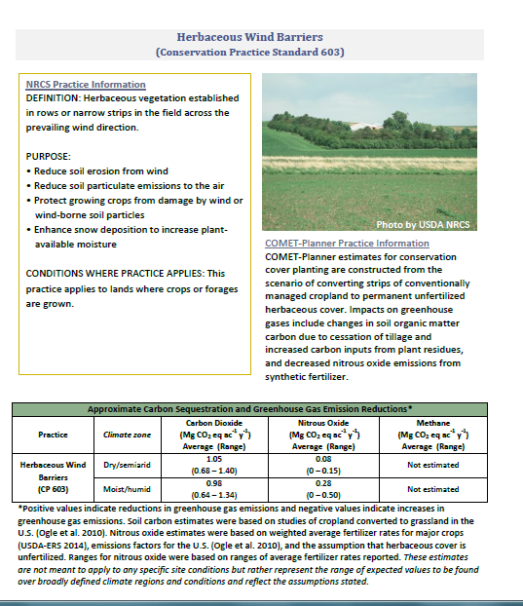
1998 |  | ac | 0.32 | 0
1999 |  | ac | 0.32 | 0
2000 |  | ac | 0.32 | 0
2001 |  | ac | 0.32 | 0
2002 |  | ac | 0.32 | 0
2003 |  | ac | 0.32 | 0 | Prac Amount
2004 | 0.00 | ac | 0.32 | 0 | 0
2005 | 0.00 | ac | 0.32 | 0 | 0
2006 | 0.00 | ac | 0.32 | 0 | 0
2007 | 0.00 | ac | 0.32 | 0 | 0
2008 | 0.00 | ac | 0.32 | 0 | 0
2009 | 0.00 | ac | 0.32 | 0 | 0
2010 | 0.00 | ac | 0.32 | 0 | 0
2011 | 0.00 | ac | 0.32 | 0 | 0
2012 | 0.00 | ac | 0.32 | 0 | 0
2013 | 0.00 | ac | 0.32 | 0 | 0
2014 | 0.00 | ac | 0.32 | 0 | 0
2015 | 0.00 | ac | 0.32 | 0 | 0
2016 | 0.00 | ac | 0.32 | 0 | 0
2017 | 0.00 | ac | 0.32 | 0 | 0
2018 | 0.00 | ac | 0.32 | 0 | 0
 | 0.00
Year | Annual Emissions Reduction (tonnes) | Emissions Reduction plus 50% Conservation Legacy Effect (tonnes) | Emissions Reduction plus 75% Conservation Legacy Effect (tonnes) | Emissions Reduction plus 100% Conservation Legacy Effect (tonnes)
1997 | 0
1998 | 0
1999 | 0
2000 | 0 | 0 | 0 | 0
2001 | 0 | 0 | 0 | 0
2002 | 0 | 0 | 0 | 0
2003 | 0 | 0 | 0 | 0
2004 | 0 | 0 | 0 | 0
2005 | 0 | 0 | 0 | 0
2006 | 0 | 0 | 0 | 0
2007 | 0 | 0 | 0 | 0
2008 | 0 | 0 | 0 | 0
2009 | 0 | 0 | 0 | 0
2010 | 0 | 0 | 0 | 0
2011 | 0 | 0 | 0 | 0
2012 | 0 | 0 | 0 | 0
2013 | 0 | 0 | 0 | 0
2014 | 0 | 0 | 0 | 0
2015 | 0 | 0 | 0 | 0
2016 | 0 | 0 | 0 | 0
2017 | 0 | 0 | 0 | 0
2018 | 0 | 0 | 0 | 0

Soil Health w Apprp% Legacy Eff
 |  |  | Direct Benefits PLUS APPROPRIATE percent Conservation Legacy Effect by Year (Metric Tonnes CO2e)
Climate Change Mitigation Building Block | Conservation Practice Standard |  | 2004 | 2005 | 2006 | 2007 | 2008 | 2009 | 2010 | 2011 | 2012 | 2013 | 2014 | 2015 | 2016 | 2017 | 2018
Soil Health | 327 | Conservation Cover (ac) | - | 81.96 | 57.67 | - | 92.56 | 104.72 | 139.60 | 11,619.96 | 23,623.30 | 22,453.62 | 11,890.00 | 29,479.62 | 47,464.39 | 49,064.82 | 55,226.97
Colorado Soil Health Climate Change Mitigation (Metric Tonnes CO2e)
 | 328 | Conservation Crop Rotation (ac) | 5,890.61 | 17,137.52 | 5,788.19 | 16,054.58 | 28,919.62 | 27,302.51 | 33,765.89 | 97,065.93 | 131,191.32 | 108,286.55 | 136,784.19 | 187,610.25 | 286,975.48 | 278,497.33 | 300,612.91
 | 329 | Residue and Tillage Management, No Till (ac) | - | - | 1,972.40 | 3,515.26 | 8,342.15 | 5,279.53 | 10,931.41 | 27,772.59 | 35,336.71 | 28,071.83 | 42,008.11 | 49,563.13 | 67,356.61 | 60,112.33 | 69,397.41
 | 329A | Strip Till (ac) | 1,138.96 | 2,667.90 | 3,271.11 | 3,094.05 | 3,517.86 | 3,949.57 | 4,850.81 | 5,647.21 | 5,813.78 | 6,017.14 | 5,857.91 | 5,885.13 | 6,367.80 | 5,947.20 | 6,017.20
 | 329B | Mulch Till (ac) | 1,646.36 | 3,917.64 | 4,464.62 | 2,785.80 | 3,494.03 | 5,126.76 | 5,995.62 | 6,402.36 | 6,640.06 | 6,710.12 | 6,472.30 | 6,549.32 | 8,470.56 | 6,775.89 | 6,824.05
 | 330 | Contour Farming (ac) | - | 38.96 | - | 61.12 | 102.18 | 41.06 | 86.90 | 152.96 | 138.67 | 147.73 | 165.11 | 165.11 | 186.07 | 186.41 | 165.34
 | 332 | Contour Buffer Strips (ac) | - | - | - | - | - | - | - | - | - | - | - | - | - | - | -
 | 340 | Cover Crop (ac) | 10.03 | 40.47 | 954.87 | 157.64 | 68.96 | 117.97 | 176.13 | 592.75 | 712.92 | 511.78 | 730.89 | 785.58 | 1,223.09 | 1,039.22 | 828.24
 | 345 | Residue and Tillage Management, Reduced Till (ac) | - | - | - | 79.39 | 23.50 | 94.84 | 436.48 | 2,492.63 | 4,650.20 | 4,220.99 | 5,878.98 | 8,287.21 | 23,082.63 | 18,836.41 | 22,060.94
 | 386 | Field Boarder (ac) | - | 0.00 | 0.01 | 0.00 | 0.00 | 0.01 | 0.01 | 2.06 | 4.58 | 0.07 | 22.71 | 6.16 | 5.03 | 21.98 | 21.78
 | 393 | Filter Strips (ac) | - | 0.36 | 6.11 | 10.96 | 5.30 | 29.08 | 14.59 | 133.65 | 35.02 | 36.52 | 126.02 | 123.76 | 124.03 | 125.73 | 125.73
 | 412 | Grassed Waterways (ac) | - | - | 0.97 | 5.70 | 6.11 | 7.32 | 16.26 | 13.12 | 34.64 | 26.52 | 30.62 | 40.72 | 46.94 | 55.22 | 49.20
 | 585 | Stripcropping (ac) | - | 90.88 | 49.69 | 73.05 | 339.01 | 70.29 | 406.17 | 1,187.95 | 537.05 | 872.06 | 902.88 | 1,333.01 | 1,246.57 | 1,387.67 | 1,423.20
 | 601 | Vegetative Barriers (ft) | - | - | - | - | - | - | - | - | - | - | - | - | - | - | -
 | 603 | Herbaceous Wind Barriers (ft) | - | - | - | - | - | - | - | - | - | - | - | - | - | - | -
 |  | Total with Appropriate Legacy Effect | 8,685.97 | 23,975.69 | 16,565.63 | 25,837.56 | 44,911.30 | 42,123.66 | 56,819.88 | 153,083.18 | 208,718.25 | 177,354.93 | 210,869.71 | 289,828.99 | 442,549.19 | 422,050.21 | 462,752.97
 |  | Total w/o Legacy Effect | 8,685.97 | 23,975.69 | 16,565.63 | 20,025.93 | 22,813.31 | 10,661.57 | 12,459.03 | 94,394.43 | 143,248.75 | 104,714.23 | 73,209.16 | 51,812.15 | 130,211.15 | 59,788.96 | 65,287.06
 |  | Difference in multiples | 1.00 | 1.00 | 1.00 | 1.29 | 1.97 | 3.95 | 4.56 | 1.62 | 1.46 | 1.69 | 2.88 | 5.59 | 3.40 | 7.06 | 7.09

Soil Health Carbon Benefits (Units of Thousand Metric Tonnes per year)
 |  |  | Direct Carbon Benefits to Soil by Year (Thousand Metric Tonnes C stored in Healthy Soils per year)
Climate Change Mitigation Building Block | Conservation Practice Standard |  | 2004 | 2005 | 2006 | 2007 | 2008 | 2009 | 2010 | 2011 | 2012 | 2013 | 2014 | 2015 | 2016 | 2017 | 2018
Soil Health | 327 | Conservation Cover (ac) | - | 22 | 16 | - | 25 | 29 | 38 | 3,169 | 6,443 | 6,124 | 3,243 | 8,040 | 12,945 | 13,381 | 15,062
 | 328 | Conservation Crop Rotation (ac) | 1,607 | 4,674 | 1,579 | 4,379 | 7,887 | 7,446 | 9,209 | 26,473 | 35,779 | 29,533 | 37,305 | 51,166 | 78,266 | 75,954 | 81,985
 | 329 | Residue and Tillage Management, No Till (ac) | - | - | 538 | 959 | 2,275 | 1,440 | 2,981 | 7,574 | 9,637 | 7,656 | 11,457 | 13,517 | 18,370 | 16,394 | 18,927
 | 329A | Strip Till (ac) | 311 | 728 | 892 | 844 | 959 | 1,077 | 1,323 | 1,540 | 1,586 | 1,641 | 1,598 | 1,605 | 1,737 | 1,622 | 1,641
 | 329B | Mulch Till (ac) | 449 | 1,068 | 1,218 | 760 | 953 | 1,398 | 1,635 | 1,746 | 1,811 | 1,830 | 1,765 | 1,786 | 2,310 | 1,848 | 1,861
 | 330 | Contour Farming (ac) | - | 11 | - | 17 | 28 | 11 | 24 | 42 | 38 | 40 | 45 | 45 | 51 | 51 | 45
 | 332 | Contour Buffer Strips (ac) | - | - | - | - | - | - | - | - | - | - | - | - | - | - | -
 | 340 | Cover Crop (ac) | 3 | 11 | 260 | 43 | 19 | 32 | 48 | 162 | 194 | 140 | 199 | 214 | 334 | 283 | 226
 | 345 | Residue and Tillage Management, Reduced Till (ac) | - | - | - | 22 | 6 | 26 | 119 | 680 | 1,268 | 1,151 | 1,603 | 2,260 | 6,295 | 5,137 | 6,017
 | 386 | Field Boarder (ac) | - | 0 | 0 | 0 | 0 | 0 | 0 | 1 | 1 | 0 | 6 | 2 | 1 | 6 | 6
 | 393 | Filter Strips (ac) | - | 0 | 2 | 3 | 1 | 8 | 4 | 36 | 10 | 10 | 34 | 34 | 34 | 34 | 34
 | 412 | Grassed Waterways (ac) | - | - | 0 | 2 | 2 | 2 | 4 | 4 | 9 | 7 | 8 | 11 | 13 | 15 | 13
 | 585 | Stripcropping (ac) | - | 25 | 14 | 20 | 92 | 19 | 111 | 324 | 146 | 238 | 246 | 364 | 340 | 378 | 388
 | 601 | Vegetative Barriers (ft) | - | - | - | - | - | - | - | - | - | - | - | - | - | - | -
 | 603 | Herbaceous Wind Barriers (ft) | - | - | - | - | - | - | - | - | - | - | - | - | - | - | -
 |  | Total | 2,369 | 6,539 | 4,518 | 7,047 | 12,249 | 11,488 | 15,496 | 41,750 | 56,923 | 48,370 | 57,510 | 79,044 | 120,695 | 115,105 | 126,205
 |  | Total w/o Legacy Effect | 2,369 | 6,539 | 4,518 | 5,462 | 6,222 | 2,908 | 3,398 | 25,744 | 39,068 | 28,558 | 19,966 | 14,131 | 35,512 | 16,306 | 17,806
 |  | Difference in multiples | 1.00 | 1.00 | 1.00 | 1.29 | 1.97 | 3.95 | 4.56 | 1.62 | 1.46 | 1.69 | 2.88

Graphing
 | 2005 | 2006 | 2007 | 2008 | 2009 | 2010 | 2011 | 2012 | 2013 | 2014 | 2015 | 2016 | 2017 | 2018
NRCS-Colorado Atmospheric Benefits (cropland) | 23,975.69 | 16,565.63 | 20,025.93 | 22,813.31 | 10,661.57 | 12,459.03 | 94,394.43 | 143,248.75 | 104,714.23 | 73,209.16 | 51,812.15 | 130,211.15 | 59,788.96 | 65,287.06
NRCS-California Atmospheric Benefits (cropland) |  |  |  |  |  |  | 34,420.81 | 53,480.52 | 34,031.97 | 43,797.24 | 26,510.07 | 23,285.95 | 12,833.12 | 2,522.91
NRCS-Colorado Atmospheric Benefits (graze/pasture) | 450.5584 | 2882.78153 | 4524.21714 | 3710.36348 | 2623.68632 | 2694.06587 | 21920.95084 | 23779.79442 | 15897.52779 | 9291.39711 | 14599.91296 | 9558.5754 | 9861.00017 | 5603.9408
NRCS-California Atmospheric Benefits (graze/pasture) |  |  |  |  |  |  | 15736.1565 | 17104.5599 | 13736.5871 | 10034.3662 | 5151.7774 | 6897.2578 | 7375.2437 | 8190.833

Soil Health and Climate Solutions Direct Atmospheric Carbon Sequestration Benefits of NRCS Conservation Practices in Colorado (Units = metric tons CO2e)

 | 2005 | 2006 | 2007 | 2008 | 2009 | 2010 | 2011 | 2012 | 2013 | 2014 | 2015 | 2016 | 2017 | 2018
NRCS-Colorado Atmospheric Benefits (cropland) | 23,975.69 | 16,565.63 | 20,025.93 | 22,813.31 | 10,661.57 | 12,459.03 | 94,394.43 | 143,248.75 | 104,714.23 | 73,209.16 | 51,812.15 | 130,211.15 | 59,788.96 | 65,287.06
NRCS-Colorado Atmospheric Benefits (grazing/pasture lands) | 450.56 | 2882.78 | 4524.22 | 3710.36 | 2623.69 | 2694.07 | 21920.95 | 23779.79 | 15897.53 | 9291.40 | 14599.91 | 9558.58 | 9861.00 | 5603.94

Soil Health and Climate Solutions Direct Atmospheric Carbon Sequestration Benefits of NRCS Conservation Practices in Colorado (Units = metric tons CO2e)

Soil Health and Climate Solutions Direct Atmospheric Carbon Sequestration Benefits of NRCS Conservation Practices in Colorado (Units = metric tons CO2e)

Soil Health and Climate Solutions Direct Atmospheric Carbon Sequestration Benefits of NRCS Conservation Practices in Colorado (Units = metric tons CO2e)

Soil Health and Climate Solutions Direct Atmospheric Carbon Sequestration Benefits of NRCS Conservation Practices in Colorado (Units = metric tons CO2e)

Acres
 |  |  | Acres Per Year
Soil Health and Climate Mitigation | Conservation Practice Standard |  | 327 | 328 | 329 | 329A | 329B | 330 | 332 | 340 | 345 | 386 | 393 | 412 | 585 | 601 | 603
 |  |  | Conservation Cover (ac) | Conservation Crop Rotation (ac) | Residue and Tillage Management, No Till (ac) | Strip Till (ac) | Mulch Till (ac) | Contour Farming (ac) | Contour Buffer Strips (ac) | Cover Crop (ac) | Residue and Tillage Management, Reduced Till (ac) | Field Boarder (ac) | Filter Strips (ac) | Grassed Waterways (ac) | Stripcropping (ac) | Vegetative Barriers (ft) | Herbaceous Wind Barriers (ft) | SUM
Soil Health | 2004 |  | - | 22,929.60 | - | 9,412.90 | 13,606.30 | - | - | 174.50 | - | - | - | - | - | - | - | 46,123.30
Colorado Soil Health Climate Change Mitigation (Metric Tonnes CO2e)
 | Total Acreage
327 | 245,816.50
328 | 1,999,574.75
329 | 801,143.10
329A | 102,467.90
329B | 127,025.20
330 | 3,752.30
332 | -
340 | 103,447.79
345 | 645,466.86
386 | 33,225.40
393 | 466.30
412 | 238.00
585 | 19,319.10
601 | -
603 | -
 | 2005 |  | 254.70 | 66,708.90 | - | 22,048.80 | 32,377.20 | 556.50 | - | 703.80 | - | 2.20 | 1.00 | - | 590.90 | - | - | 123,244.00
 | 2006 |  | 179.20 | 22,530.90 | 9,931.50 | 27,034.00 | 36,897.70 | - | - | 16,606.40 | - | 37.10 | 17.00 | 3.00 | 323.10 | - | - | 113,559.90
 | 2007 |  | - | 45,296.30 | 17,700.20 | 20,864.20 | 16,220.00 | 873.20 | - | 2,724.10 | 1,051.60 | 10.20 | 30.50 | 17.70 | 475.00 | - | - | 105,263.00
 | 2008 |  | 96.60 | 45,342.65 | 42,004.80 | 13,342.40 | 5,884.50 | 1,042.40 | - | 1,111.45 | 311.26 | - | 14.00 | 19.00 | 1,908.80 | - | - | 111,077.86
 | 2009 |  | - | 22,149.75 | 21,618.00 | 3,393.20 | 929.30 | 169.20 | - | 303.20 | 1,256.30 | 0.40 | 67.40 | 20.50 | - | - | - | 49,907.25
 | 2010 |  | 108.40 | 13,336.65 | 41,226.50 | 409.40 | - | 169.20 | - | 1,042.20 | 4,993.30 | 7.80 | 4.20 | 35.00 | 1,946.40 | - | - | 63,279.05
 | 2011 |  | 35,711.40 | 225,729.20 | 105,023.60 | 320.00 | 419.20 | 331.00 | - | 8,176.60 | 31,997.20 | 10,167.70 | 324.90 | 11.00 | 6,075.10 | - | - | 424,286.90
 | 2012 |  | 73,012.00 | 341,952.20 | 132,301.80 | - | 1,919.00 | - | - | 10,236.20 | 59,635.80 | 22,608.30 | - | 62.50 | 1,843.00 | - | - | 643,570.80
 | 2013 |  | 69,295.90 | 242,791.40 | 75,108.10 | 1,476.00 | 2,498.00 | 2.60 | - | 6,634.04 | 50,205.20 | 312.00 | 1.00 | 11.00 | 3,048.00 | - | - | 451,383.24
 | 2014 |  | 9,685.70 | 184,423.40 | 92,768.90 | - | 323.00 | 2.60 | - | 9,626.90 | 48,170.40 | 72.00 | 6.30 | 15.50 | 210.80 | - | - | 345,305.50
 | 2015 |  | 9,586.80 | 125,803.00 | 64,659.40 | 225.00 | - | 2.60 | - | 9,554.40 | 35,344.80 | 4.00 | - | - | 2,086.00 | - | - | 247,266.00
 | 2016 |  | 13,502.90 | 330,495.10 | 116,699.90 | 3,476.00 | 14,629.00 | 300.00 | - | 16,499.80 | 193,682.70 | - | - | 11.10 | - | - | - | 689,296.50
 | 2017 |  | 11,212.00 | 159,175.80 | 33,838.70 | - | 462.00 | 303.00 | - | 12,339.40 | 101,306.10 | 3.70 | - | 25.20 | 812.00 | - | - | 319,477.90
 | 2018 |  | 23,170.90 | 150,909.90 | 48,261.70 | 466.00 | 860.00 | - | - | 7,714.80 | 117,512.20 | - | - | 6.50 | - | - | - | 348,902.00
Total Acres Under NRCS Soil Health Conservation Practices in Colorado (Units = acres)
 |  | Total Acreage | 245,816.50 | 1,999,574.75 | 801,143.10 | 102,467.90 | 127,025.20 | 3,752.30 | - | 103,447.79 | 645,466.86 | 33,225.40 | 466.30 | 238.00 | 19,319.10 | - | -

Total Acres Under NRCS Cover Crop (CPS 340) Conservation Practices in Colorado (Units = acres)

Total Acres Under NRCS Soil Health Conservation Practices in Colorado (Units = acres)

